Step 1.2
Simulated Vo vs. Vsig of a Emitter Follower
Vsig | Vo | IE2 | Difference (Vsig - Vo)
Volts | Volts | Amps | Volts
-5 | -4.6834722767 | 2.24E-09 | -0.31652772327
-4.5 | -4.6832232527 | -3.15E-08 | 0.18322325268
-4 | -4.4783451552 | -2.82E-05 | 0.47834515518
-3.5 | -4.0246504111 | -9.13E-05 | 0.52465041112
-3 | -3.5454047728 | -0.00015440840259 | 0.54540477282
-2.5 | -3.0524951047 | -0.00018474825688 | 0.55249510467
-2 | -2.552539257 | -0.00018486926952 | 0.55253925699
-1.5 | -2.0525611879 | -0.00018499030818 | 0.55256118791
-1 | -1.5525831063 | -0.00018486294319 | 0.55258310634
-0.5 | -1.0526050554 | -0.00018473561601 | 0.55260505538
0 | -0.55262699225 | -0.0001848760588 | 0.55262699225
0.5 | -0.052648961961 | -0.00018501655448 | 0.55264896196
1 | 0.44732908014 | -0.00018488913811 | 0.55267091986
1.5 | 0.94730709178 | -0.00018476175937 | 0.55269290822
2 | 1.4472851147 | -0.00018490219018 | 0.5527148853
2.5 | 1.9472631058 | -0.0001850426736 | 0.55273689416
3 | 2.4472411073 | -0.00018491522921 | 0.55275889265
3.5 | 2.9472190798 | -0.00018478782227 | 0.55278092017
4 | 3.4471970608 | -0.00018492824521 | 0.55280293918
4.5 | 3.9471750146 | -0.00018506872034 | 0.5528249854
5 | 4.447152937 | -0.0001849412455 | 0.55284706297

Step 1.3
Voltage Gain of a CC Amplifier
Frequency | M(V(Vo)) | P(V(Vo)) | Av = 20*log(|Vo|/1mV)
Hz | Volts | Degrees | dB
100 | 0.00099995607363 | -8.47E-05 | 0.00
102.30597298 | 0.00099995607363 | -8.66E-05 | 0.00
104.66512108 | 0.00099995607363 | -8.86E-05 | 0.00
107.0786705 | 0.00099995607363 | -9.07E-05 | 0.00
109.54787571 | 0.00099995607363 | -9.28E-05 | 0.00
112.07402013 | 0.00099995607363 | -9.49E-05 | 0.00
114.65841676 | 0.00099995607363 | -9.71E-05 | 0.00
117.30240887 | 0.00099995607363 | -9.93E-05 | 0.00
120.00737073 | 0.00099995607363 | -0.00010161416316 | 0.00
122.77470828 | 0.00099995607363 | -0.0001039573583 | 0.00
125.60585988 | 0.00099995607363 | -0.00010635458687 | 0.00
128.50229708 | 0.00099995607363 | -0.00010880709489 | 0.00
131.46552533 | 0.00099995607363 | -0.00011131615709 | 0.00
134.49708483 | 0.00099995607363 | -0.00011388307757 | 0.00
137.59855127 | 0.00099995607363 | -0.00011650919055 | 0.00
140.77153669 | 0.00099995607363 | -0.00011919586098 | 0.00
144.0176903 | 0.00099995607363 | -0.0001219444853 | 0.00
147.33869933 | 0.00099995607363 | -0.00012475649216 | 0.00
150.73628993 | 0.00099995607363 | -0.00012763334313 | 0.00
154.21222805 | 0.00099995607324 | -0.00013057653341 | 0.00
157.76832037 | 0.00099995607324 | -0.00013358759296 | 0.00
161.40641522 | 0.00099995607324 | -0.00013666808672 | 0.00
165.12840355 | 0.00099995607324 | -0.00013981961583 | 0.00
168.93621992 | 0.00099995607324 | -0.00014304381836 | 0.00
172.83184351 | 0.00099995607324 | -0.00014634237011 | 0.00
176.81729913 | 0.00099995607324 | -0.00014971698558 | 0.00
180.89465828 | 0.00099995607324 | -0.00015316941876 | 0.00
185.06604023 | 0.00099995607324 | -0.00015670146412 | 0.00
189.33361312 | 0.00099995607324 | -0.00016031495748 | 0.00
193.69959509 | 0.00099995607324 | -0.00016401177702 | 0.00
198.16625542 | 0.00099995607324 | -0.00016779384421 | 0.00
202.73591574 | 0.00099995607324 | -0.00017166312485 | 0.00
207.41095118 | 0.00099995607324 | -0.00017562163004 | 0.00
212.19379168 | 0.00099995607323 | -0.00017967141729 | 0.00
217.0869232 | 0.00099995607323 | -0.00018381459154 | 0.00
222.092889 | 0.00099995607323 | -0.00018805330625 | 0.00
227.21429102 | 0.00099995607323 | -0.00019238976458 | 0.00
232.45379118 | 0.00099995607323 | -0.00019682622045 | 0.00
237.81411281 | 0.00099995607323 | -0.00020136497979 | 0.00
243.298042 | 0.00099995607323 | -0.00020600840168 | 0.00
248.90842912 | 0.00099995607323 | -0.00021075889962 | 0.00
254.64819025 | 0.00099995607323 | -0.00021561894275 | 0.00
260.52030873 | 0.00099995607323 | -0.00022059105714 | 0.00
266.52783666 | 0.00099995607323 | -0.00022567782714 | 0.00
272.67389657 | 0.00099995607323 | -0.00023088189667 | 0.00
278.96168296 | 0.00099995607245 | -0.00023620597028 | 0.00
285.39446401 | 0.00099995607245 | -0.00024165281591 | 0.00
291.97558325 | 0.00099995607245 | -0.00024722526432 | 0.00
298.70846132 | 0.00099995607245 | -0.00025292621187 | 0.00
305.59659774 | 0.00099995607244 | -0.00025875862171 | 0.00
312.64357272 | 0.00099995607244 | -0.00026472552532 | 0.00
319.85304905 | 0.00099995607244 | -0.0002708300241 | 0.00
327.22877395 | 0.00099995607244 | -0.00027707529095 | 0.00
334.77458107 | 0.00099995607244 | -0.00028346457194 | 0.00
342.49439247 | 0.00099995607244 | -0.000290001188 | 0.00
350.39222063 | 0.00099995607244 | -0.00029668853663 | 0.00
358.47217058 | 0.00099995607243 | -0.00030353009369 | 0.00
366.73844199 | 0.00099995607243 | -0.00031052941517 | 0.00
375.19533138 | 0.00099995607243 | -0.00031769013907 | 0.00
383.84723436 | 0.00099995607243 | -0.00032501598731 | 0.00
392.69864789 | 0.00099995607243 | -0.00033251076758 | 0.00
401.75417262 | 0.00099995607242 | -0.00034017837542 | 0.00
411.0185153 | 0.00099995607242 | -0.00034802279618 | 0.00
420.49649122 | 0.00099995607242 | -0.00035604810712 | 0.00
430.19302671 | 0.00099995607203 | -0.00036425847924 | 0.00
440.11316169 | 0.00099995607203 | -0.00037265818053 | 0.00
450.2620523 | 0.00099995607202 | -0.00038125157661 | 0.00
460.64497358 | 0.00099995607202 | -0.00039004313402 | 0.00
471.26732222 | 0.00099995607202 | -0.0003990374223 | 0.00
482.13461936 | 0.00099995607163 | -0.00040823911607 | 0.00
493.25251343 | 0.00099995607162 | -0.00041765299863 | 0.00
504.62678313 | 0.00099995607162 | -0.0004272839627 | 0.00
516.26334042 | 0.00099995607162 | -0.00043713701411 | 0.00
528.16823358 | 0.00099995607161 | -0.00044721727413 | 0.00
540.34765036 | 0.00099995607122 | -0.00045752998178 | 0.00
552.8079212 | 0.00099995607122 | -0.00046808049792 | 0.00
565.55552251 | 0.00099995607121 | -0.00047887430599 | 0.00
578.59708007 | 0.00099995607082 | -0.00048991701587 | 0.00
591.93937243 | 0.00099995607082 | -0.00050121436789 | 0.00
605.58933444 | 0.00099995607081 | -0.00051277223365 | 0.00
619.55406089 | 0.00099995607081 | -0.00052459662052 | 0.00
633.84081015 | 0.00099995607041 | -0.00053669367399 | 0.00
648.457008 | 0.00099995607041 | -0.00054906968248 | 0.00
663.41025142 | 0.00099995607001 | -0.00056173107777 | 0.00
678.70831259 | 0.00099995607001 | -0.00057468444163 | 0.00
694.35914292 | 0.00099995607 | -0.00058793650635 | 0.00
710.37087717 | 0.00099995606961 | -0.00060149415943 | 0.00
726.75183769 | 0.0009999560696 | -0.00061536444852 | 0.00
743.51053873 | 0.0009999560692 | -0.000629554582 | 0.00
760.65569088 | 0.0009999560692 | -0.00064407193631 | 0.00
778.19620562 | 0.0009999560688 | -0.0006589240561 | 0.00
796.14119989 | 0.00099995606879 | -0.00067411866192 | 0.00
814.50000087 | 0.00099995606839 | -0.00068966365039 | 0.00
833.28215085 | 0.00099995606839 | -0.00070556710223 | 0.00
852.49741213 | 0.00099995606799 | -0.00072183728244 | 0.00
872.15577214 | 0.00099995606759 | -0.00073848264818 | 0.00
892.26744863 | 0.00099995606758 | -0.00075551185164 | 0.00
912.84289494 | 0.00099995606718 | -0.00077293374288 | 0.00
933.89280549 | 0.00099995606678 | -0.00079075737769 | 0.00
955.42812129 | 0.00099995606638 | -0.00080899202012 | 0.00
977.46003565 | 0.00099995606637 | -0.00082764714848 | 0.00
1000 | 0.00099995606635 | -0.00084673245841 | 0.00
1023.0597298 | 0.00099995606556 | -0.00086625786848 | 0.00
1046.6512108 | 0.00099995606516 | -0.00088623352912 | 0.00
1070.786705 | 0.00099995606515 | -0.00090666982295 | 0.00
1095.4787571 | 0.00099995606435 | -0.00092757737 | 0.00
1120.7402013 | 0.00099995606395 | -0.00094896703919 | 0.00
1146.5841676 | 0.00099995606354 | -0.00097084994739 | 0.00
1173.0240887 | 0.00099995606275 | -0.00099323746776 | 0.00
1200.0737073 | 0.00099995606234 | -0.0010161412379 | 0.00
1227.7470828 | 0.00099995606194 | -0.0010395731616 | 0.00
1256.0585988 | 0.00099995606153 | -0.0010635454178 | 0.00
1285.0229708 | 0.00099995606073 | -0.0010880704656 | 0.00
1314.6552533 | 0.00099995606032 | -0.0011131610537 | 0.00
1344.9708483 | 0.00099995605952 | -0.0011388302216 | 0.00
1375.9855127 | 0.00099995605872 | -0.0011650913118 | 0.00
1407.7153669 | 0.0009999560583 | -0.0011919579748 | 0.00
1440.176903 | 0.0009999560575 | -0.0012194441728 | 0.00
1473.3869933 | 0.00099995605669 | -0.0012475641931 | 0.00
1507.3628993 | 0.00099995605589 | -0.0012763326512 | 0.00
1542.1222805 | 0.00099995605508 | -0.0013057644998 | 0.00
1577.6832037 | 0.00099995605427 | -0.0013358750363 | 0.00
1614.0641522 | 0.00099995605346 | -0.0013666799109 | 0.00
1651.2840355 | 0.00099995605226 | -0.0013981951336 | 0.00
1689.3621992 | 0.00099995605145 | -0.0014304370868 | 0.00
1728.3184351 | 0.00099995605024 | -0.0014634225262 | 0.00
1768.1729913 | 0.00099995604943 | -0.0014971685984 | 0.00
1808.9465828 | 0.00099995604861 | -0.001531692842 | 0.00
1850.6604023 | 0.00099995604662 | -0.0015670131979 | 0.00
1893.3361312 | 0.0009999560458 | -0.0016031480306 | 0.00
1936.9959509 | 0.00099995604458 | -0.0016401161169 | 0.00
1981.6625542 | 0.00099995604298 | -0.0016779366709 | 0.00
2027.3591574 | 0.00099995604176 | -0.0017166293526 | 0.00
2074.1095118 | 0.00099995604015 | -0.0017562142698 | 0.00
2121.9379168 | 0.00099995603854 | -0.0017967119984 | 0.00
2170.869232 | 0.00099995603693 | -0.0018381435869 | 0.00
2220.92889 | 0.00099995603531 | -0.0018805305695 | 0.00
2272.1429102 | 0.00099995603369 | -0.0019238949768 | 0.00
2324.5379118 | 0.00099995603168 | -0.001968259346 | 0.00
2378.1411281 | 0.00099995602966 | -0.0020136467368 | 0.00
2432.98042 | 0.00099995602764 | -0.0020600807391 | 0.00
2489.0842912 | 0.00099995602562 | -0.0021075854869 | 0.00
2546.4819025 | 0.00099995602321 | -0.002156185669 | 0.00
2605.2030873 | 0.00099995602079 | -0.0022059065465 | 0.00
2665.2783666 | 0.00099995601837 | -0.0022567739617 | 0.00
2726.7389657 | 0.00099995601594 | -0.0023088143525 | 0.00
2789.6168296 | 0.00099995601312 | -0.0023620547648 | 0.00
2853.9446401 | 0.0009999560103 | -0.0024165228713 | 0.00
2919.7558325 | 0.00099995600747 | -0.0024722469814 | 0.00
2987.0846132 | 0.00099995600424 | -0.0025292560552 | 0.00
3055.9659774 | 0.00099995600102 | -0.0025875797242 | 0.00
3126.4357272 | 0.00099995599778 | -0.0026472483012 | 0.00
3198.5304905 | 0.00099995599415 | -0.0027082927961 | 0.00
3272.2877395 | 0.00099995599052 | -0.0027707449377 | 0.00
3347.7458107 | 0.00099995598649 | -0.0028346371822 | 0.00
3424.9439247 | 0.00099995598246 | -0.0029000027384 | 0.00
3503.9222063 | 0.00099995597841 | -0.0029668755785 | 0.00
3584.7217058 | 0.00099995597397 | -0.0030352904559 | 0.00
3667.3844199 | 0.00099995596875 | -0.0031052829251 | 0.00
3751.9533138 | 0.0009999559643 | -0.0031768893718 | 0.00
3838.4723436 | 0.00099995595906 | -0.0032501470021 | 0.00
3926.9864789 | 0.00099995595381 | -0.003325093894 | 0.00
4017.5417262 | 0.00099995594816 | -0.0034017689962 | 0.00
4110.185153 | 0.00099995594251 | -0.0034802121601 | 0.00
4204.9649122 | 0.00099995593645 | -0.0035604641509 | 0.00
4301.9302671 | 0.00099995593 | -0.0036425666763 | 0.00
4401.1316169 | 0.00099995592315 | -0.0037265624054 | 0.00
4502.620523 | 0.00099995591628 | -0.0038124949935 | 0.00
4606.4497358 | 0.00099995590902 | -0.0039004090972 | 0.00
4712.6732222 | 0.00099995590096 | -0.0039903504021 | 0.00
4821.3461936 | 0.00099995589328 | -0.0040823656589 | 0.00
4932.5251343 | 0.00099995588481 | -0.0041765026782 | 0.00
5046.2678313 | 0.00099995587594 | -0.0042728103846 | 0.00
5162.6334042 | 0.00099995586666 | -0.0043713388275 | 0.00
5281.6823358 | 0.00099995585698 | -0.0044721392101 | 0.00
5403.4765036 | 0.00099995584689 | -0.0045752639159 | 0.00
5528.079212 | 0.0009999558364 | -0.0046807665356 | 0.00
5655.5552251 | 0.00099995582511 | -0.0047887018921 | 0.00
5785.9708007 | 0.0009999558138 | -0.004899126082 | 0.00
5919.3937243 | 0.00099995580131 | -0.0050120964775 | 0.00
6055.8933444 | 0.00099995578879 | -0.0051276717945 | 0.00
6195.5406089 | 0.00099995577548 | -0.005245912084 | 0.00
6338.4081015 | 0.00099995576175 | -0.0053668787922 | 0.00
6484.57008 | 0.00099995574723 | -0.0054906347739 | 0.00
6634.1025142 | 0.0009999557319 | -0.005617244336 | 0.00
6787.0831259 | 0.00099995571577 | -0.0057467732676 | 0.00
6943.5914292 | 0.00099995569922 | -0.0058792888783 | 0.00
7103.7087717 | 0.00099995568187 | -0.0060148600201 | 0.00
7267.5183769 | 0.00099995566332 | -0.0061535571314 | 0.00
7435.1053873 | 0.00099995564435 | -0.0062954522873 | 0.00
7606.5569088 | 0.00099995562418 | -0.0064406192055 | 0.00
7781.9620562 | 0.0009999556032 | -0.0065891333158 | 0.00
7961.4119989 | 0.00099995558141 | -0.0067410717817 | 0.00
8145.0000087 | 0.00099995555841 | -0.0068965135394 | 0.00
8332.8215085 | 0.00099995553421 | -0.0070555393483 | 0.00
8524.9741213 | 0.00099995550919 | -0.0072182318338 | 0.00
8721.5577214 | 0.00099995548296 | -0.0073846755144 | 0.00
8922.6744863 | 0.00099995545552 | -0.0075549568604 | 0.00
9128.4289494 | 0.00099995542648 | -0.0077291643286 | 0.00
9338.9280549 | 0.00099995539622 | -0.0079073884241 | 0.00
9554.2812129 | 0.00099995536475 | -0.0080897217313 | 0.00
9774.6003565 | 0.00099995533167 | -0.0082762589608 | 0.00
10000 | 0.00099995529697 | -0.00846709701 | 0.00
10230.597298 | 0.00099995526066 | -0.0086623350079 | 0.00
10466.512108 | 0.00099995522274 | -0.0088620743659 | 0.00
10707.86705 | 0.00099995518319 | -0.0090664188307 | 0.00
10954.787571 | 0.00099995514164 | -0.0092754745305 | 0.00
11207.402013 | 0.00099995509807 | -0.0094893500435 | 0.00
11465.841676 | 0.00099995505287 | -0.0097081564544 | 0.00
11730.240887 | 0.00099995500526 | -0.0099320073837 | 0.00
12000.737073 | 0.00099995495523 | -0.010161019081 | 0.00
12277.470828 | 0.00099995490318 | -0.010395310478 | 0.00
12560.585988 | 0.00099995484832 | -0.010635003223 | 0.00
12850.229708 | 0.00099995479142 | -0.01088022179 | 0.00
13146.552533 | 0.00099995473132 | -0.011131093482 | 0.00
13449.708483 | 0.00099995466878 | -0.011387748566 | 0.00
13759.855127 | 0.00099995460341 | -0.011650320286 | 0.00
14077.153669 | 0.00099995453482 | -0.011918944945 | 0.00
14401.76903 | 0.00099995446301 | -0.012193761994 | 0.00
14733.869933 | 0.00099995438757 | -0.012474914076 | 0.00
15073.628993 | 0.00099995430929 | -0.012762547146 | 0.00
15421.222805 | 0.00099995422698 | -0.013056810465 | 0.00
15776.832037 | 0.00099995414065 | -0.013357856753 | 0.00
16140.641522 | 0.00099995405067 | -0.013665842249 | 0.00
16512.840355 | 0.00099995395587 | -0.013980926742 | 0.00
16893.621992 | 0.00099995385741 | -0.014303273753 | 0.00
17283.184351 | 0.00099995375412 | -0.014633050497 | 0.00
17681.729913 | 0.00099995364599 | -0.014970428061 | 0.00
18089.465828 | 0.00099995353262 | -0.015315581446 | 0.00
18506.604023 | 0.00099995341362 | -0.015668689672 | 0.00
18933.361312 | 0.00099995328975 | -0.016029935903 | 0.00
19369.959509 | 0.00099995316023 | -0.016399507458 | 0.00
19816.625542 | 0.00099995302426 | -0.016777595952 | 0.00
20273.591574 | 0.00099995288224 | -0.017164397431 | 0.00
20741.095118 | 0.00099995273336 | -0.0175601124 | 0.00
21219.379168 | 0.00099995257723 | -0.01796494597 | 0.00
21708.69232 | 0.00099995241423 | -0.01837910798 | 0.00
22209.2889 | 0.00099995224357 | -0.018802813034 | 0.00
22721.429102 | 0.00099995206484 | -0.019236280668 | 0.00
23245.379118 | 0.00099995187803 | -0.019679735454 | 0.00
23781.411281 | 0.00099995168235 | -0.020133407076 | 0.00
24329.8042 | 0.0009999514774 | -0.020597530489 | 0.00
24890.842912 | 0.00099995126315 | -0.021072346032 | 0.00
25464.819025 | 0.00099995103883 | -0.021558099512 | 0.00
26052.030873 | 0.00099995080401 | -0.022055042366 | 0.00
26652.783666 | 0.00099995055792 | -0.022563431758 | 0.00
27267.389657 | 0.0009999503009 | -0.023083530772 | 0.00
27896.168296 | 0.00099995003179 | -0.023615608431 | 0.00
28539.446401 | 0.00099994974978 | -0.024159939908 | 0.00
29197.558325 | 0.00099994945486 | -0.024716806685 | 0.00
29870.846132 | 0.00099994914621 | -0.025286496622 | 0.00
30559.659774 | 0.00099994882304 | -0.025869304135 | 0.00
31264.357272 | 0.00099994848495 | -0.026465530356 | 0.00
31985.304905 | 0.00099994813111 | -0.027075483251 | 0.00
32722.877395 | 0.00099994776074 | -0.027699477781 | 0.00
33477.458107 | 0.00099994737302 | -0.028337836064 | 0.00
34249.439247 | 0.00099994696715 | -0.028990887529 | 0.00
35039.222063 | 0.00099994654232 | -0.029658969074 | 0.00
35847.217058 | 0.0009999460981 | -0.030342425256 | 0.00
36673.844199 | 0.00099994563253 | -0.031041608346 | 0.00
37519.533138 | 0.00099994514596 | -0.031756878719 | 0.00
38384.723436 | 0.0009999446364 | -0.032488604758 | 0.00
39269.864789 | 0.00099994410303 | -0.033237163235 | 0.00
40175.417262 | 0.00099994354467 | -0.034002939398 | 0.00
41101.85153 | 0.00099994296047 | -0.034786327202 | 0.00
42049.649122 | 0.00099994234885 | -0.03558772942 | 0.00
43019.302671 | 0.00099994170898 | -0.036407557935 | 0.00
44011.316169 | 0.00099994103925 | -0.037246233826 | 0.00
45026.20523 | 0.00099994033846 | -0.038104187645 | 0.00
46064.497358 | 0.0009999396046 | -0.038981859532 | 0.00
47126.732222 | 0.00099993883684 | -0.03987969956 | 0.00
48213.461936 | 0.00099993803357 | -0.040798167797 | 0.00
49325.251343 | 0.00099993719201 | -0.041737734482 | 0.00
50462.678313 | 0.00099993631209 | -0.042698880538 | 0.00
51626.334042 | 0.00099993539064 | -0.043682097333 | 0.00
52816.823358 | 0.00099993442642 | -0.044687887295 | 0.00
54034.765036 | 0.00099993341742 | -0.045716763918 | 0.00
55280.79212 | 0.00099993236123 | -0.046769252015 | 0.00
56555.552251 | 0.00099993125621 | -0.047845888045 | 0.00
57859.708007 | 0.00099993009956 | -0.048947220174 | 0.00
59193.937243 | 0.00099992888887 | -0.050073808642 | 0.00
60558.933444 | 0.0009999276217 | -0.051226225965 | 0.00
61955.406089 | 0.00099992629641 | -0.052405057255 | 0.00
63384.081015 | 0.00099992490862 | -0.05361090011 | 0.00
64845.7008 | 0.0009999234559 | -0.054844365312 | 0.00
66341.025142 | 0.0009999219362 | -0.05610607693 | 0.00
67870.831259 | 0.00099992034551 | -0.057396672318 | 0.00
69435.914292 | 0.00099991868099 | -0.058716802686 | 0.00
71037.087717 | 0.00099991693903 | -0.060067133144 | 0.00
72675.183769 | 0.00099991511599 | -0.061448343031 | 0.00
74351.053873 | 0.00099991320824 | -0.062861126171 | 0.00
76065.569088 | 0.00099991121137 | -0.064306191027 | 0.00
77819.620562 | 0.0009999091221 | -0.065784261185 | 0.00
79614.119989 | 0.00099990693525 | -0.067296075229 | 0.00
81450.000087 | 0.00099990464714 | -0.068842387418 | 0.00
83328.215085 | 0.00099990225255 | -0.070423967543 | 0.00
85249.741213 | 0.00099989974664 | -0.072041601422 | 0.00
87215.577214 | 0.00099989712418 | -0.07369609104 | 0.00
89226.744863 | 0.0009998943803 | -0.075388254894 | 0.00
91284.289494 | 0.00099989150859 | -0.077118927963 | 0.00
93389.280549 | 0.00099988850339 | -0.078888962261 | 0.00
95542.812129 | 0.00099988535942 | -0.08069922702 | 0.00
97746.003565 | 0.00099988206869 | -0.08255060844 | 0.00
100000 | 0.0009998786259 | -0.084444010724 | 0.00
102305.97298 | 0.00099987502301 | -0.086380355452 | 0.00
104665.12108 | 0.00099987125279 | -0.088360582314 | 0.00
107078.6705 | 0.00099986730833 | -0.090385649252 | 0.00
109547.87571 | 0.00099986318081 | -0.092456532239 | 0.00
112074.02013 | 0.00099985886176 | -0.094574225827 | 0.00
114658.41676 | 0.0009998543427 | -0.096739743237 | 0.00
117302.40887 | 0.00099984961438 | -0.098954116356 | 0.00
120007.37073 | 0.00099984466751 | -0.10121839599 | 0.00
122774.70828 | 0.00099983949085 | -0.10353365159 | 0.00
125605.85988 | 0.00099983407547 | -0.10590097213 | 0.00
128502.29708 | 0.00099982840973 | -0.10832146524 | 0.00
131465.52533 | 0.00099982248156 | -0.1107962576 | 0.00
134497.08483 | 0.00099981627965 | -0.11332649523 | 0.00
137598.55127 | 0.00099980979152 | -0.11591334306 | 0.00
140771.53669 | 0.00099980300349 | -0.11855798486 | 0.00
144017.6903 | 0.00099979590304 | -0.12126162364 | 0.00
147338.69933 | 0.00099978847412 | -0.12402548046 | 0.00
150736.28993 | 0.000999780703 | -0.1268507956 | 0.00
154212.22805 | 0.00099977257438 | -0.12973882746 | 0.00
157768.32037 | 0.00099976407097 | -0.13269085214 | 0.00
161406.41522 | 0.00099975517664 | -0.13570816389 | 0.00
165128.40355 | 0.0009997458733 | -0.13879207398 | 0.00
168936.21992 | 0.00099973614205 | -0.14194391053 | 0.00
172831.84351 | 0.00099972596434 | -0.14516501832 | 0.00
176817.29913 | 0.00099971531967 | -0.14845675758 | 0.00
180894.65828 | 0.00099970418673 | -0.15182050367 | 0.00
185066.04023 | 0.00099969254378 | -0.15525764644 | 0.00
189333.61312 | 0.00099968036791 | -0.1587695892 | 0.00
193699.59509 | 0.00099966763538 | -0.16235774791 | 0.00
198166.25542 | 0.00099965432088 | -0.16602354996 | 0.00
202735.91574 | 0.00099964039867 | -0.16976843335 | 0.00
207410.95118 | 0.00099962584143 | -0.17359384518 | 0.00
212193.79168 | 0.00099961062142 | -0.17750124057 | 0.00
217086.9232 | 0.00099959470852 | -0.18149208065 | 0.00
222092.889 | 0.00099957807298 | -0.18556783176 | 0.00
227214.29102 | 0.00099956068113 | -0.18972996226 | 0.00
232453.79118 | 0.00099954250157 | -0.19397994277 | 0.00
237814.11281 | 0.00099952349863 | -0.19831924176 | 0.00
243298.042 | 0.00099950363696 | -0.20274932497 | 0.00
248908.42912 | 0.00099948287808 | -0.20727165165 | 0.00
254648.19025 | 0.00099946118384 | -0.21188767323 | 0.00
260520.30873 | 0.00099943851297 | -0.21659882917 | 0.00
266527.83666 | 0.00099941482377 | -0.22140654494 | -0.01
272673.89657 | 0.00099939007175 | -0.22631222776 | -0.01
278961.68296 | 0.00099936421165 | -0.23131726387 | -0.01
285394.46401 | 0.0009993371962 | -0.23642301426 | -0.01
291975.58325 | 0.00099930897616 | -0.2416308106 | -0.01
298708.46132 | 0.00099927949992 | -0.24694195067 | -0.01
305596.59774 | 0.00099924871505 | -0.25235769447 | -0.01
312643.57272 | 0.00099921656638 | -0.25787925833 | -0.01
319853.04905 | 0.00099918299715 | -0.26350781023 | -0.01
327228.77395 | 0.00099914794784 | -0.26924446355 | -0.01
334774.58107 | 0.00099911135773 | -0.27509027194 | -0.01
342494.39247 | 0.00099907316338 | -0.28104622216 | -0.01
350392.22063 | 0.00099903329935 | -0.28711322779 | -0.01
358472.17058 | 0.00099899169788 | -0.29329212192 | -0.01
366738.44199 | 0.00099894828844 | -0.29958364944 | -0.01
375195.33138 | 0.00099890299973 | -0.30598846022 | -0.01
383847.23436 | 0.00099885575656 | -0.31250709899 | -0.01
392698.64789 | 0.00099880648216 | -0.31913999795 | -0.01
401754.17262 | 0.00099875509706 | -0.32588746682 | -0.01
411018.5153 | 0.00099870151986 | -0.33274968371 | -0.01
420496.49122 | 0.00099864566644 | -0.33972668451 | -0.01
430193.02671 | 0.00099858745037 | -0.34681835255 | -0.01
440113.16169 | 0.00099852678294 | -0.35402440762 | -0.01
450262.0523 | 0.00099846357352 | -0.36134439477 | -0.01
460644.97358 | 0.00099839772805 | -0.36877767131 | -0.01
471267.32222 | 0.00099832915173 | -0.3763233964 | -0.01
482134.61936 | 0.00099825774637 | -0.38398051636 | -0.02
493252.51343 | 0.00099818341229 | -0.39174775289 | -0.02
504626.78313 | 0.00099810604796 | -0.39962358931 | -0.02
516263.34042 | 0.00099802554888 | -0.40760625577 | -0.02
528168.23358 | 0.00099794181027 | -0.41569371717 | -0.02
540347.65036 | 0.0009978547248 | -0.42388365691 | -0.02
552807.9212 | 0.00099776418335 | -0.43217346278 | -0.02
565555.52251 | 0.00099767007658 | -0.44056021349 | -0.02
578597.08007 | 0.00099757229227 | -0.44904066138 | -0.02
591939.37243 | 0.00099747071919 | -0.45761122084 | -0.02
605589.33444 | 0.00099736524402 | -0.46626795068 | -0.02
619554.06089 | 0.00099725575448 | -0.47500654221 | -0.02
633840.81015 | 0.00099714213627 | -0.48382230187 | -0.02
648457.008 | 0.00099702427694 | -0.49271014065 | -0.03
663410.25142 | 0.00099690206399 | -0.50166455873 | -0.03
678708.31259 | 0.00099677538567 | -0.51067963305 | -0.03
694359.14292 | 0.0009966441318 | -0.51974900587 | -0.03
710370.87717 | 0.00099650819338 | -0.52886587292 | -0.03
726751.83769 | 0.00099636746455 | -0.5380229751 | -0.03
743510.53873 | 0.00099622184188 | -0.5472125886 | -0.03
760655.69088 | 0.00099607122437 | -0.5564265172 | -0.03
778196.20562 | 0.00099591551576 | -0.56565608866 | -0.04
796141.19989 | 0.00099575462272 | -0.57489214829 | -0.04
814500.00087 | 0.00099558845901 | -0.58412506148 | -0.04
833282.15085 | 0.00099541694211 | -0.59334470958 | -0.04
852497.41213 | 0.00099523999551 | -0.6025404947 | -0.04
872155.77214 | 0.00099505755067 | -0.61170134698 | -0.04
892267.44863 | 0.0009948695459 | -0.62081573075 | -0.04
912842.89494 | 0.0009946759271 | -0.62987165594 | -0.05
933892.80549 | 0.00099447664936 | -0.63885669377 | -0.05
955428.12129 | 0.00099427167767 | -0.64775799474 | -0.05
977460.03565 | 0.0009940609866 | -0.65656230852 | -0.05
1000000 | 0.00099384456143 | -0.66525600949 | -0.05

Step 1.6
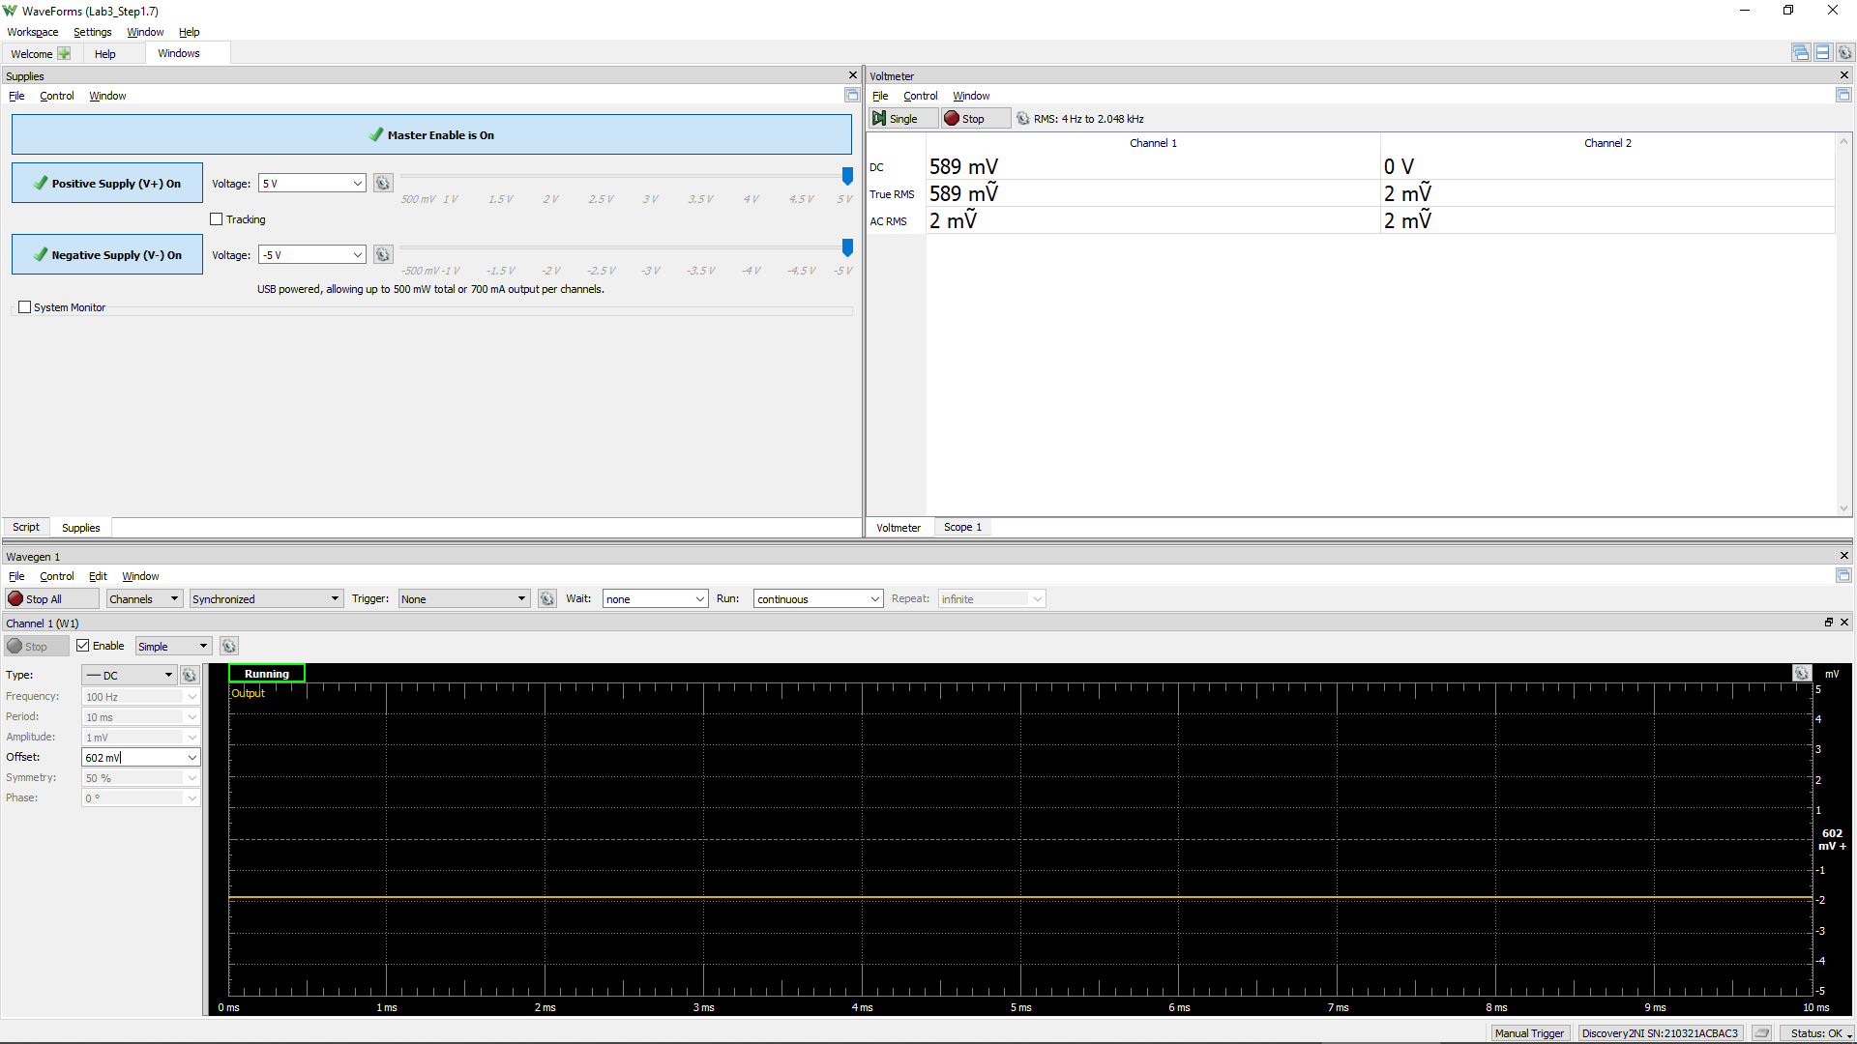
Measured Vo vs. Vsig of a Emitter Follower
Vsig (W1) | Vsig (CH1) | Vo (CH2) | Difference (Vsig - Vo)
Volts | Volts | Volts | Volts
-5 | -4.9968 | -4.6398 | -0.357
-4.5 | -4.5 | -4.6632 | 0.1632
-4 | -4.001 | -4.535 | 0.534
-3.5 | -3.5006 | -4.074 | 0.5734
-3 | -2.998 | -3.5872 | 0.5892
-2.5 | -2.497 | -3.092 | 0.595
-2 | -1.9992 | -2.593 | 0.5938
-1.5 | -1.501 | -2.0922 | 0.5912
-1 | -0.9992 | -1.593 | 0.5938
-0.5 | -0.5006 | -1.094 | 0.5934
0 | 0 | -0.594 | 0.594
0.5 | 0.502 | -0.0922 | 0.5942
1 | 1.003 | 0.4076 | 0.5954
1.5 | 1.5018 | 0.906 | 0.5958
2 | 2 | 1.4066 | 0.5934
2.5 | 2.501 | 1.9064 | 0.5946
3 | 3.0002 | 2.4054 | 0.5948
3.5 | 3.5 | 2.905 | 0.595
4 | 3.9996 | 3.4034 | 0.5962
4.5 | 4.5 | 3.9032 | 0.5968
5 | 5.0012 | 4.4028 | 0.5984

Step 1.8
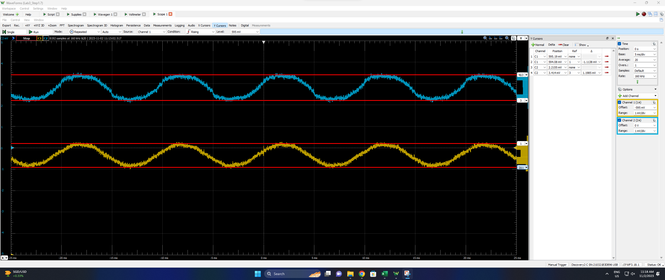
DC1 (V) = Vsig(Peak2Peak) | DC2 (V) = Vo(Peak2Peak) | Voltage Gain Av (dB)
0.0011138 | 0.0011985 | 0.6

Step 2.2
IREF and Io Relationship
IREF | Io | Vin | Vo | VEC(Q1) = VEB(Q1) | VEC(Q2)
Amps | Amps | Volts | Volts | Volts | Volts
0.0001 | 0.00010389986636 | 4.4231660084 | -3.9610013364 | 0.58 | 8.96
0.00011 | 0.0001142326972 | 4.4197900915 | -3.857673028 | 0.58 | 8.86
0.00012 | 0.00012455254307 | 4.4167084324 | -3.7544745693 | 0.58 | 8.75
0.00013 | 0.00013485926335 | 4.4138728187 | -3.6514073665 | 0.59 | 8.65
0.00014 | 0.00014515275122 | 4.4112470655 | -3.5484724878 | 0.59 | 8.55
0.00015 | 0.00015543291937 | 4.4088021823 | -3.4456708063 | 0.59 | 8.45
0.00016 | 0.00016569969713 | 4.4065147994 | -3.3430030287 | 0.59 | 8.34
0.00017 | 0.00017595302715 | 4.4043658025 | -3.2404697285 | 0.60 | 8.24
0.00018 | 0.0001861928629 | 4.4023393588 | -3.138071371 | 0.60 | 8.14
0.00019 | 0.0001964191668 | 4.4004222059 | -3.035808332 | 0.60 | 8.04
0.0002 | 0.00020663190866 | 4.3986031242 | -2.9336809134 | 0.60 | 7.93
0.00021 | 0.00021683106457 | 4.3968725376 | -2.8316893543 | 0.60 | 7.83
0.00022 | 0.00022701661588 | 4.3952222076 | -2.7298338412 | 0.60 | 7.73
0.00023 | 0.00023718854849 | 4.3936449949 | -2.6281145151 | 0.61 | 7.63
0.00024 | 0.0002473468522 | 4.3921346725 | -2.526531478 | 0.61 | 7.53
0.00025 | 0.00025749152019 | 4.3906857765 | -2.4250847981 | 0.61 | 7.43
0.00026 | 0.00026762254859 | 4.3892934861 | -2.3237745141 | 0.61 | 7.32
0.00027 | 0.00027773993611 | 4.3879535268 | -2.2226006389 | 0.61 | 7.22
0.00028 | 0.00028784368373 | 4.3866620906 | -2.1215631627 | 0.61 | 7.12
0.00029 | 0.00029793379448 | 4.3854157706 | -2.0206620552 | 0.61 | 7.02
0.0003 | 0.00030801027315 | 4.3842115065 | -1.9198972685 | 0.62 | 6.92
0.00031 | 0.00031807312614 | 4.3830465393 | -1.8192687386 | 0.62 | 6.82
0.00032 | 0.00032812236129 | 4.3819183727 | -1.7187763871 | 0.62 | 6.72
0.00033 | 0.00033815798787 | 4.3808247246 | -1.6184201213 | 0.62 | 6.62
0.00034 | 0.00034818001569 | 4.3797635822 | -1.5181998431 | 0.62 | 6.52
0.00035 | 0.00035818845653 | 4.3787330121 | -1.4181154347 | 0.62 | 6.42
0.00036 | 0.00036818332267 | 4.3777313012 | -1.3181667733 | 0.62 | 6.32
0.00037 | 0.0003781646268 | 4.3767568858 | -1.218353732 | 0.62 | 6.22
0.00038 | 0.00038813238326 | 4.3758082911 | -1.1186761674 | 0.62 | 6.12
0.00039 | 0.00039808660675 | 4.3748841663 | -1.0191339325 | 0.63 | 6.02
0.0004 | 0.00040802731193 | 4.3739833178 | -0.91972688072 | 0.63 | 5.92
0.00041 | 0.00041795451528 | 4.3731045485 | -0.82045484723 | 0.63 | 5.82
0.00042 | 0.00042786823304 | 4.3722468142 | -0.72131766957 | 0.63 | 5.72
0.00043 | 0.000437768483 | 4.3714091087 | -0.62231517002 | 0.63 | 5.62
0.00044 | 0.00044765527998 | 4.3705905447 | -0.52344720024 | 0.63 | 5.52
0.00045 | 0.00045752864453 | 4.3697902288 | -0.42471355468 | 0.63 | 5.42
0.00046 | 0.00046738859389 | 4.3690073727 | -0.32611406113 | 0.63 | 5.33
0.00047 | 0.00047723523987 | 4.3682412144 | -0.22764760129 | 0.63 | 5.23
0.00048 | 0.00048706827353 | 4.3674910731 | -0.12931726472 | 0.63 | 5.13
0.00049 | 0.00049688814662 | 4.3667562665 | -0.031118533828 | 0.63 | 5.03
0.0005 | 0.00050669461312 | 4.3660361839 | 0.066946131169 | 0.63 | 4.93
0.00051 | 0.00051648781855 | 4.3653302337 | 0.1648781855 | 0.63 | 4.84
0.00052 | 0.00052626762864 | 4.3646378859 | 0.2626762864 | 0.64 | 4.74
0.00053 | 0.00053603422014 | 4.3639586033 | 0.36034220143 | 0.64 | 4.64
0.00054 | 0.00054578750747 | 4.3632919057 | 0.45787507475 | 0.64 | 4.54
0.00055 | 0.00055552740423 | 4.3626373267 | 0.55527404234 | 0.64 | 4.44
0.00056 | 0.0005652544745 | 4.3619944372 | 0.652544745 | 0.64 | 4.35
0.00057 | 0.00057496803177 | 4.361362816 | 0.74968031773 | 0.64 | 4.25
0.00058 | 0.00058466838177 | 4.3607420731 | 0.84668381773 | 0.64 | 4.15
0.00059 | 0.00059435612927 | 4.3601318289 | 0.94356129271 | 0.64 | 4.06
0.0006 | 0.00060403018159 | 4.3595317569 | 1.0403018159 | 0.64 | 3.96
0.00061 | 0.00061369131716 | 4.3589414893 | 1.1369131716 | 0.64 | 3.86
0.00062 | 0.00062333921603 | 4.35836072 | 1.2333921603 | 0.64 | 3.77
0.00063 | 0.00063297432954 | 4.3577891507 | 1.3297432954 | 0.64 | 3.67
0.00064 | 0.00064259604236 | 4.3572264897 | 1.4259604236 | 0.64 | 3.57
0.00065 | 0.00065220475667 | 4.356672453 | 1.5220475667 | 0.64 | 3.48
0.00066 | 0.00066180054511 | 4.3561267824 | 1.6180054511 | 0.64 | 3.38
0.00067 | 0.00067138350449 | 4.3555892242 | 1.7138350449 | 0.64 | 3.29
0.00068 | 0.00068095359073 | 4.3550595388 | 1.8095359073 | 0.64 | 3.19
0.00069 | 0.0006905107597 | 4.3545374918 | 1.905107597 | 0.65 | 3.09
0.0007 | 0.00070005450564 | 4.354022879 | 2.0005450564 | 0.65 | 3.00
0.00071 | 0.00070958596777 | 4.353515471 | 2.0958596777 | 0.65 | 2.90
0.00072 | 0.00071910420367 | 4.3530150732 | 2.1910420367 | 0.65 | 2.81
0.00073 | 0.00072860980937 | 4.3525214962 | 2.2860980937 | 0.65 | 2.71
0.00074 | 0.0007381021666 | 4.3520345537 | 2.381021666 | 0.65 | 2.62
0.00075 | 0.00074758221179 | 4.351554064 | 2.4758221179 | 0.65 | 2.52
0.00076 | 0.00075704922004 | 4.3510798509 | 2.5704922004 | 0.65 | 2.43
0.00077 | 0.00076650359274 | 4.3506117652 | 2.6650359274 | 0.65 | 2.33
0.00078 | 0.00077594497094 | 4.3501496338 | 2.7594497094 | 0.65 | 2.24
0.00079 | 0.00078537403809 | 4.3496933153 | 2.8537403809 | 0.65 | 2.15
0.0008 | 0.00079479014528 | 4.3492426531 | 2.9479014528 | 0.65 | 2.05
0.00081 | 0.0008041937284 | 4.3487975215 | 3.041937284 | 0.65 | 1.96
0.00082 | 0.00081358439398 | 4.34835777 | 3.1358439398 | 0.65 | 1.86
0.00083 | 0.00082296284448 | 4.3479232785 | 3.2296284448 | 0.65 | 1.77
0.00084 | 0.00083232841259 | 4.3474939108 | 3.3232841259 | 0.65 | 1.68
0.00085 | 0.00084168156728 | 4.3470695599 | 3.4168156728 | 0.65 | 1.58
0.00086 | 0.00085102213434 | 4.3466500941 | 3.5102213434 | 0.65 | 1.49
0.00087 | 0.00086035007094 | 4.3462354108 | 3.6035007094 | 0.65 | 1.40
0.00088 | 0.00086966558838 | 4.3458253905 | 3.6966558838 | 0.65 | 1.30
0.00089 | 0.00087896855712 | 4.3454199417 | 3.7896855712 | 0.65 | 1.21
0.0009 | 0.00088825911191 | 4.3450189483 | 3.8825911191 | 0.65 | 1.12
0.00091 | 0.00089753718515 | 4.3446223222 | 3.9753718515 | 0.66 | 1.02
0.00092 | 0.0009068029481 | 4.3442299577 | 4.068029481 | 0.66 | 0.93
0.00093 | 0.00091605609945 | 4.3438417768 | 4.1605609945 | 0.66 | 0.84
0.00094 | 0.00092529684609 | 4.3434576794 | 4.2529684609 | 0.66 | 0.75
0.00095 | 0.00093452392063 | 4.3430776084 | 4.3452392063 | 0.66 | 0.65
0.00096 | 0.00094373101608 | 4.34270159 | 4.4373101608 | 0.66 | 0.56
0.00097 | 0.00095287601167 | 4.3423303088 | 4.5287601167 | 0.66 | 0.47
0.00098 | 0.00096171648363 | 4.3419679545 | 4.6171648363 | 0.66 | 0.38
0.00099 | 0.00096932577581 | 4.3416303501 | 4.6932577581 | 0.66 | 0.31
0.001 | 0.00097460681056 | 4.3413351044 | 4.7460681056 | 0.66 | 0.25

Step 2.3
IREF and Io Relationship
IREF | Io | Vin | Vo | VEC(Q1) = VEB(Q1) | VEC(Q2)
Amps | Amps | Volts | Volts | Volts | Volts
8.50E-05 | 8.84E-05 | 4.4289208552 | -4.1162334597 | 0.57 | 9.12
8.51E-05 | 8.85E-05 | 4.4288792244 | -4.1151976404 | 0.57 | 9.12
8.52E-05 | 8.86E-05 | 4.4288376423 | -4.1141618335 | 0.57 | 9.11
8.53E-05 | 8.87E-05 | 4.4287961088 | -4.1131260391 | 0.57 | 9.11
8.54E-05 | 8.88E-05 | 4.4287546238 | -4.1120902572 | 0.57 | 9.11
8.55E-05 | 8.89E-05 | 4.4287131872 | -4.1110544878 | 0.57 | 9.11
8.56E-05 | 8.90E-05 | 4.4286717989 | -4.1100187309 | 0.57 | 9.11
8.57E-05 | 8.91E-05 | 4.4286304588 | -4.1089829865 | 0.57 | 9.11
8.58E-05 | 8.92E-05 | 4.4285891668 | -4.1079472545 | 0.57 | 9.11
8.59E-05 | 8.93E-05 | 4.4285479227 | -4.1069115351 | 0.57 | 9.11
8.60E-05 | 8.94E-05 | 4.4285067265 | -4.1058758281 | 0.57 | 9.11
8.61E-05 | 8.95E-05 | 4.4284655781 | -4.1048401337 | 0.57 | 9.10
8.62E-05 | 8.96E-05 | 4.4284244773 | -4.1038044517 | 0.57 | 9.10
8.63E-05 | 8.97E-05 | 4.428383424 | -4.1027687823 | 0.57 | 9.10
8.64E-05 | 8.98E-05 | 4.4283424183 | -4.1017331253 | 0.57 | 9.10
8.65E-05 | 8.99E-05 | 4.4283014598 | -4.1006974809 | 0.57 | 9.10
8.66E-05 | 9.00E-05 | 4.4282605487 | -4.0996618489 | 0.57 | 9.10
8.67E-05 | 9.01E-05 | 4.4282196846 | -4.0986262295 | 0.57 | 9.10
8.68E-05 | 9.02E-05 | 4.4281788676 | -4.0975906226 | 0.57 | 9.10
8.69E-05 | 9.03E-05 | 4.4281380975 | -4.0965550282 | 0.57 | 9.10
8.70E-05 | 9.04E-05 | 4.4280973743 | -4.0955194464 | 0.57 | 9.10
8.71E-05 | 9.06E-05 | 4.4280566978 | -4.094483877 | 0.57 | 9.09
8.72E-05 | 9.07E-05 | 4.4280160679 | -4.0934483202 | 0.57 | 9.09
8.73E-05 | 9.08E-05 | 4.4279755024 | -4.0924127751 | 0.57 | 9.09
8.74E-05 | 9.09E-05 | 4.4279349497 | -4.091377244 | 0.57 | 9.09
8.75E-05 | 9.10E-05 | 4.427894477 | -4.090341724 | 0.57 | 9.09
8.76E-05 | 9.11E-05 | 4.4278540337 | -4.0893062173 | 0.57 | 9.09
8.77E-05 | 9.12E-05 | 4.4278136364 | -4.0882707231 | 0.57 | 9.09
8.78E-05 | 9.13E-05 | 4.4277732851 | -4.0872352414 | 0.57 | 9.09
8.79E-05 | 9.14E-05 | 4.4277329797 | -4.0861997723 | 0.57 | 9.09
8.80E-05 | 9.15E-05 | 4.4276927201 | -4.0851643157 | 0.57 | 9.09
8.81E-05 | 9.16E-05 | 4.4276525062 | -4.0841288717 | 0.57 | 9.08
8.82E-05 | 9.17E-05 | 4.4276123378 | -4.0830934402 | 0.57 | 9.08
8.83E-05 | 9.18E-05 | 4.4275722149 | -4.0820580213 | 0.57 | 9.08
8.84E-05 | 9.19E-05 | 4.4275321373 | -4.081022615 | 0.57 | 9.08
8.85E-05 | 9.20E-05 | 4.427492105 | -4.0799872212 | 0.57 | 9.08
8.86E-05 | 9.21E-05 | 4.4274521179 | -4.0789518399 | 0.57 | 9.08
8.87E-05 | 9.22E-05 | 4.4274121758 | -4.0779164713 | 0.57 | 9.08
8.88E-05 | 9.23E-05 | 4.4273722786 | -4.0768811152 | 0.57 | 9.08
8.89E-05 | 9.24E-05 | 4.4273324263 | -4.0758457716 | 0.57 | 9.08
8.90E-05 | 9.25E-05 | 4.4272926188 | -4.0748104407 | 0.57 | 9.07
8.91E-05 | 9.26E-05 | 4.4272528558 | -4.0737751223 | 0.57 | 9.07
8.92E-05 | 9.27E-05 | 4.4272131374 | -4.0727398165 | 0.57 | 9.07
8.93E-05 | 9.28E-05 | 4.4271734634 | -4.0717045233 | 0.57 | 9.07
8.94E-05 | 9.29E-05 | 4.4271338338 | -4.0706692426 | 0.57 | 9.07
8.95E-05 | 9.30E-05 | 4.4270942484 | -4.0696339746 | 0.57 | 9.07
8.96E-05 | 9.31E-05 | 4.4270547071 | -4.0685987191 | 0.57 | 9.07
8.97E-05 | 9.32E-05 | 4.4270152098 | -4.0675634762 | 0.57 | 9.07
8.98E-05 | 9.33E-05 | 4.4269757565 | -4.0665282459 | 0.57 | 9.07
8.99E-05 | 9.35E-05 | 4.4269363469 | -4.0654930283 | 0.57 | 9.07
9.00E-05 | 9.36E-05 | 4.4268969811 | -4.0644578232 | 0.57 | 9.06
9.01E-05 | 9.37E-05 | 4.4268576589 | -4.0634226307 | 0.57 | 9.06
9.02E-05 | 9.38E-05 | 4.4268183803 | -4.0623874508 | 0.57 | 9.06
9.03E-05 | 9.39E-05 | 4.426779145 | -4.0613522836 | 0.57 | 9.06
9.04E-05 | 9.40E-05 | 4.4267399531 | -4.0603171289 | 0.57 | 9.06
9.05E-05 | 9.41E-05 | 4.4267008043 | -4.0592819869 | 0.57 | 9.06
9.06E-05 | 9.42E-05 | 4.4266616987 | -4.0582468574 | 0.57 | 9.06
9.07E-05 | 9.43E-05 | 4.4266226361 | -4.0572117406 | 0.57 | 9.06
9.08E-05 | 9.44E-05 | 4.4265836165 | -4.0561766364 | 0.57 | 9.06
9.09E-05 | 9.45E-05 | 4.4265446396 | -4.0551415449 | 0.57 | 9.06
9.10E-05 | 9.46E-05 | 4.4265057054 | -4.0541064659 | 0.57 | 9.05
9.11E-05 | 9.47E-05 | 4.4264668139 | -4.0530713996 | 0.57 | 9.05
9.12E-05 | 9.48E-05 | 4.4264279649 | -4.0520363459 | 0.57 | 9.05
9.13E-05 | 9.49E-05 | 4.4263891583 | -4.0510013049 | 0.57 | 9.05
9.14E-05 | 9.50E-05 | 4.426350394 | -4.0499662765 | 0.57 | 9.05
9.15E-05 | 9.51E-05 | 4.426311672 | -4.0489312607 | 0.57 | 9.05
9.16E-05 | 9.52E-05 | 4.4262729921 | -4.0478962576 | 0.57 | 9.05
9.17E-05 | 9.53E-05 | 4.4262343732 | -4.0468612664 | 0.57 | 9.05
9.18E-05 | 9.54E-05 | 4.4261957791 | -4.0458262885 | 0.57 | 9.05
9.19E-05 | 9.55E-05 | 4.426157227 | -4.0447913232 | 0.57 | 9.04
9.20E-05 | 9.56E-05 | 4.4261187168 | -4.0437563706 | 0.57 | 9.04
9.21E-05 | 9.57E-05 | 4.4260802484 | -4.0427214306 | 0.57 | 9.04
9.22E-05 | 9.58E-05 | 4.4260418217 | -4.0416865033 | 0.57 | 9.04
9.23E-05 | 9.59E-05 | 4.4260034365 | -4.0406515886 | 0.57 | 9.04
9.24E-05 | 9.60E-05 | 4.4259650929 | -4.0396166866 | 0.57 | 9.04
9.25E-05 | 9.61E-05 | 4.4259267907 | -4.0385817973 | 0.57 | 9.04
9.26E-05 | 9.62E-05 | 4.4258885299 | -4.0375469206 | 0.57 | 9.04
9.27E-05 | 9.63E-05 | 4.4258503103 | -4.0365120566 | 0.57 | 9.04
9.28E-05 | 9.65E-05 | 4.4258121318 | -4.0354772052 | 0.57 | 9.04
9.29E-05 | 9.66E-05 | 4.4257739944 | -4.0344423665 | 0.57 | 9.03
9.30E-05 | 9.67E-05 | 4.4257358979 | -4.0334075405 | 0.57 | 9.03
9.31E-05 | 9.68E-05 | 4.4256978424 | -4.0323727271 | 0.57 | 9.03
9.32E-05 | 9.69E-05 | 4.4256598276 | -4.0313379265 | 0.57 | 9.03
9.33E-05 | 9.70E-05 | 4.4256218536 | -4.0303031385 | 0.57 | 9.03
9.34E-05 | 9.71E-05 | 4.4255839201 | -4.0292683632 | 0.57 | 9.03
9.35E-05 | 9.72E-05 | 4.4255460272 | -4.0282336005 | 0.57 | 9.03
9.36E-05 | 9.73E-05 | 4.4255081747 | -4.0271988506 | 0.57 | 9.03
9.37E-05 | 9.74E-05 | 4.4254703625 | -4.0261641133 | 0.57 | 9.03
9.38E-05 | 9.75E-05 | 4.4254325906 | -4.0251293888 | 0.57 | 9.03
9.39E-05 | 9.76E-05 | 4.4253948589 | -4.0240946769 | 0.57 | 9.02
9.40E-05 | 9.77E-05 | 4.4253571673 | -4.0230599777 | 0.57 | 9.02
9.41E-05 | 9.78E-05 | 4.4253195156 | -4.0220252912 | 0.57 | 9.02
9.42E-05 | 9.79E-05 | 4.4252819039 | -4.0209906174 | 0.57 | 9.02
9.43E-05 | 9.80E-05 | 4.4252443319 | -4.0199559564 | 0.57 | 9.02
9.44E-05 | 9.81E-05 | 4.4252067997 | -4.018921308 | 0.57 | 9.02
9.45E-05 | 9.82E-05 | 4.4251693072 | -4.0178866723 | 0.57 | 9.02
9.46E-05 | 9.83E-05 | 4.4251318541 | -4.0168520493 | 0.57 | 9.02
9.47E-05 | 9.84E-05 | 4.4250944406 | -4.0158174391 | 0.57 | 9.02
9.48E-05 | 9.85E-05 | 4.4250570664 | -4.0147828415 | 0.57 | 9.01
9.49E-05 | 9.86E-05 | 4.4250197315 | -4.0137482567 | 0.57 | 9.01
9.50E-05 | 9.87E-05 | 4.4249824358 | -4.0127136846 | 0.58 | 9.01

Step 3.6
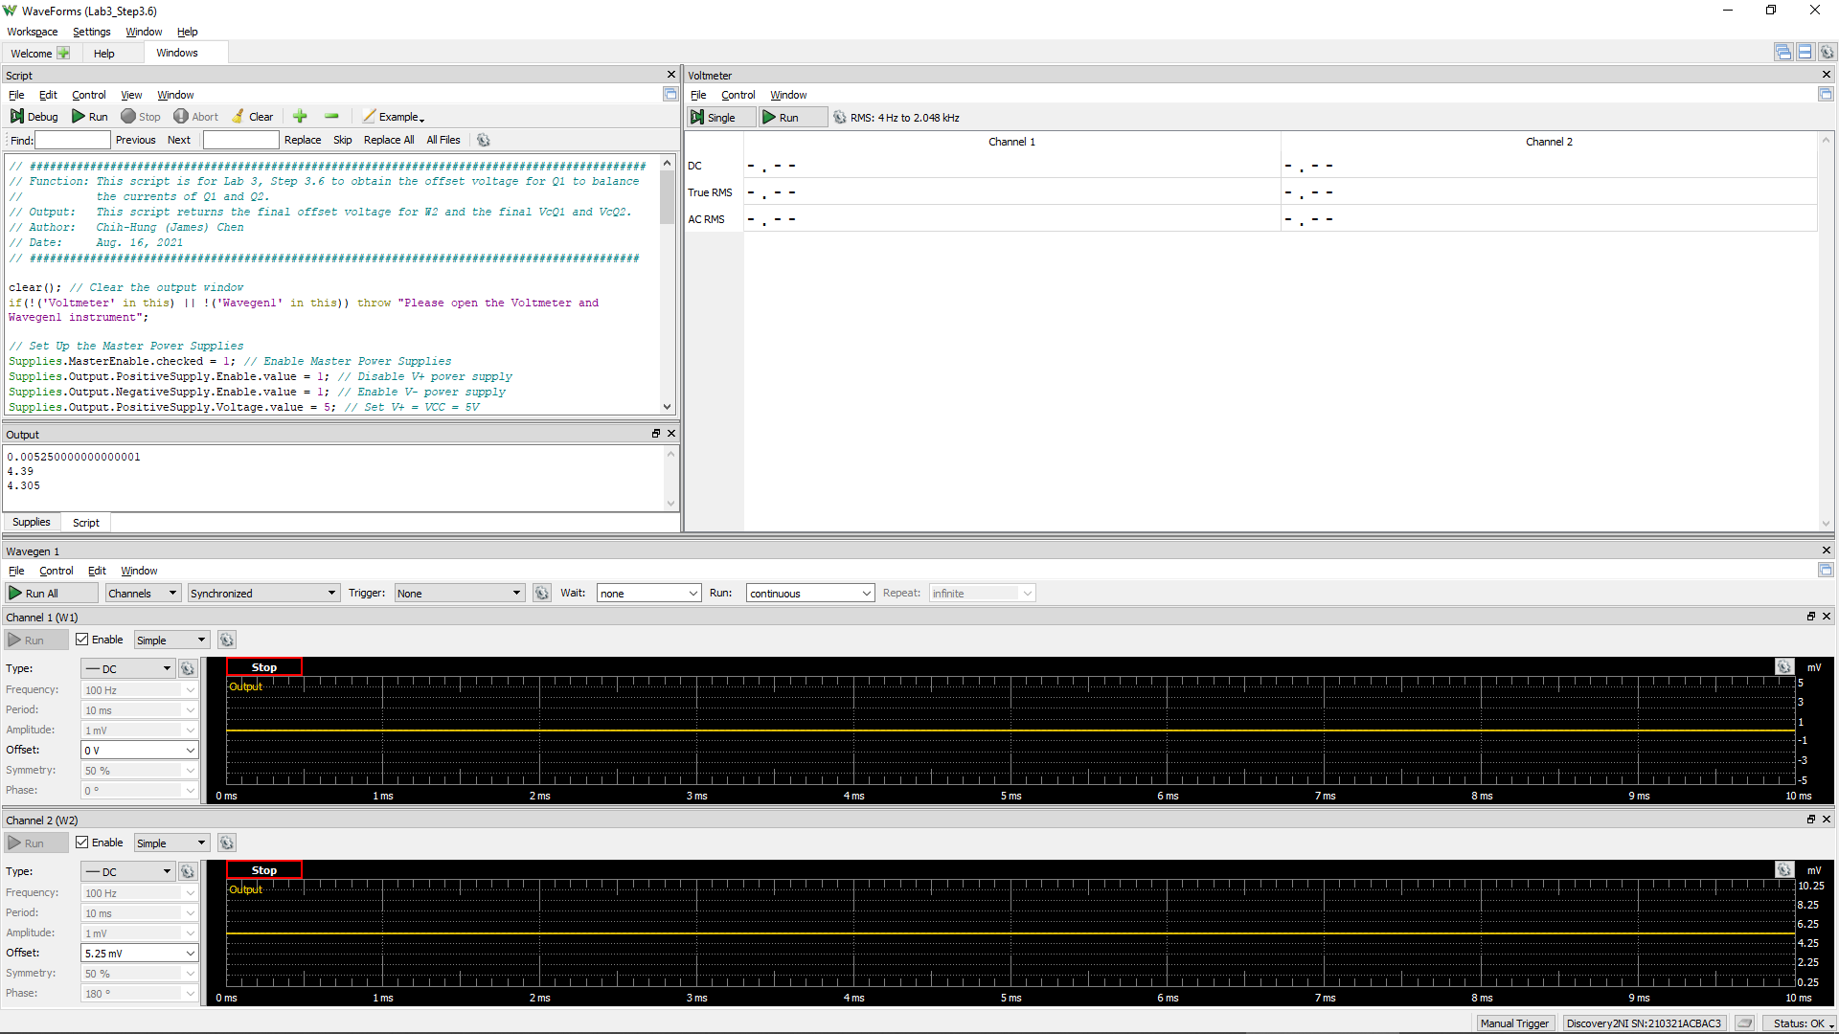
VCC =VE3 = VE4 | VC1 (= VC3 = VB3 = VB4) | Vo (= VC2 = VC4) | VEB3 | VBC4 | W2Offset
Volt | Volt | Volt | Volt | Volt | Volt
5.0 | 4.405 | 4.332 | 0.595 | 0.073 | 1.03E-02
 |  |  | Q3 is ON if VEB3 > 0.6 | Q4 is in Active Region if VBC4 > -0.4 V

Step 3.8
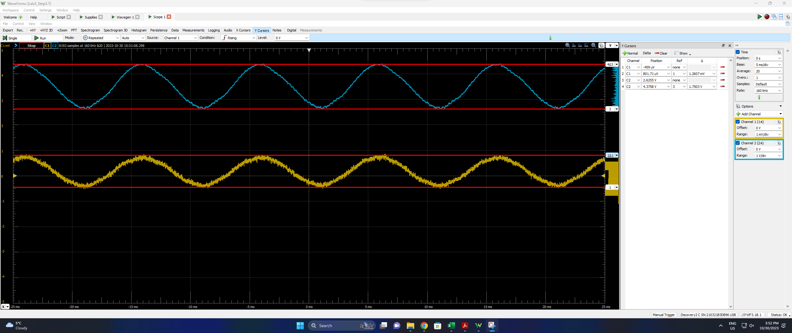
DC1 (V) = Vsig(Peak2Peak) | DC2 (V) = Vo(Peak2Peak) | Differential Voltage Gain Avd of a Single-Stage Differential Amplifier (dB)
1.2607E-03 | 1.7503 | 56.8

Step 3.9
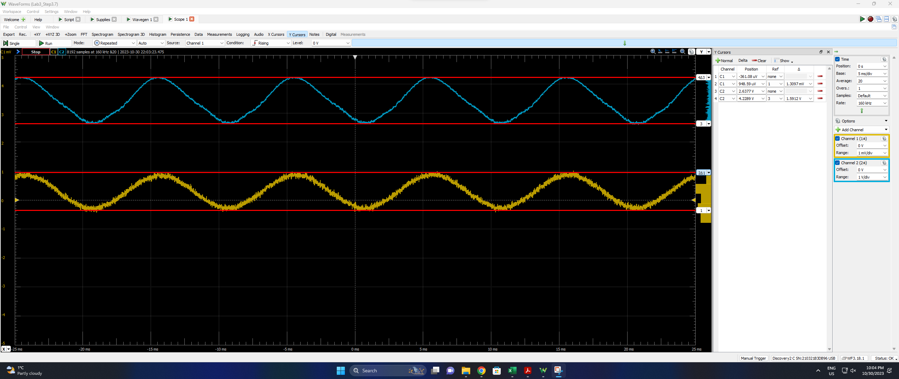
DC1 (V) = Vsig(Peak2Peak) | DC2 (V) = Vo(Peak2Peak) | Differential Voltage Gain Av of a 2-Stage Differential Amplifier(dB)
1.3097E-03 | 1.5912 | 55.7

